Model
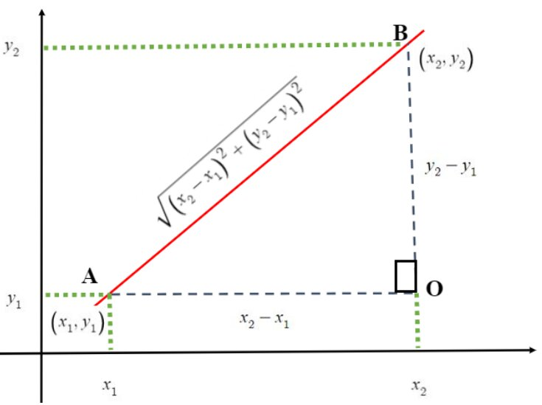
 |  |  |  |  |  | Lat | Long
 | Objective: | 39.05 |  |  | New DC: | 35.989553196 | -112.57286499

 | Store Location |  | Current DC |  |  | New DC |  |  | Model Decision
Stores | Lat | Long | Lat | Long | Current DC Dist | Lat | Long | New DC Dist | Use New? | Dist
Bubblegum Bay | 35.51 | -115.12 | 32.86 | -98.06 | 17.26 | 35.99 | -112.57 | 2.59 | TRUE | 2.59
Buttercream Beach | 36.03 | -91.62 | 32.86 | -98.06 | 7.18 | 35.99 | -112.57 | 20.95 | FALSE | 7.18
Caramel Cascades | 36.73 | -108.64 | 32.86 | -98.06 | 11.27 | 35.99 | -112.57 | 4.00 | TRUE | 4.00
Caramel Corn Caverns | 40.12 | -93.86 | 32.86 | -98.06 | 8.39 | 35.99 | -112.57 | 19.16 | FALSE | 8.39
Cherry Jubilee Junction | 35.20 | -102.68 | 32.86 | -98.06 | 5.18 | 35.99 | -112.57 | 9.92 | FALSE | 5.18
Cocoa Bean Crater | 37.82 | -94.57 | 32.86 | -98.06 | 6.06 | 35.99 | -112.57 | 18.10 | FALSE | 6.06
Fudge Falls | 36.62 | -101.41 | 32.86 | -98.06 | 5.04 | 35.99 | -112.57 | 11.18 | FALSE | 5.04
Ginger Snap Garden | 33.27 | -98.52 | 32.86 | -98.06 | 0.62 | 35.99 | -112.57 | 14.31 | FALSE | 0.62

